Sheet1
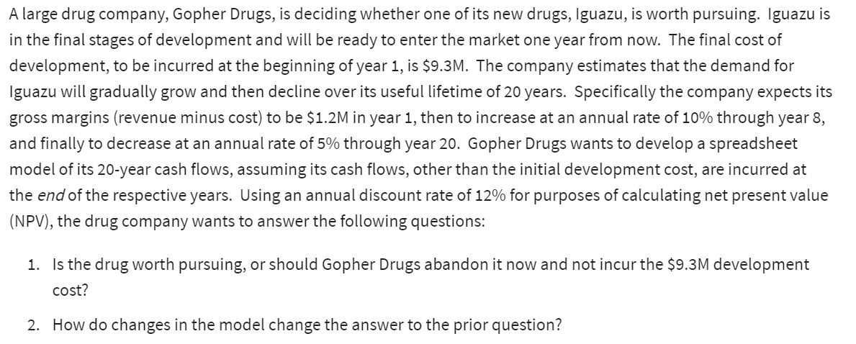
Gopher Drugs:
 |  |  | Cash Flows:
Development costs: | 9.3 | millions | End of Year | Gross Margin($M)
Lifetime: | 20 | years | 1 | $1.20
Year 1 margin (R-c): | 1.2 | millions | 2 | $1.32
Increase thru year: | 8 |  | 3 | $1.45
Increase Rate: | 10% |  | 4 | $1.60
Decrease thru year: | 20 |  | 5 | $1.76
Decrease Rate: | 5% |  | 6 | $1.93
Discount Rate: | 12% |  | 7 | $2.13
 |  |  | 8 | $2.02
(Net) Present Value | $11.85 |  | 9 | $1.92
Development costs | $9.3 |  | 10 | $1.82
Net Present Value | $2.55 | million | 11 | $1.73
 |  |  | 12 | $1.64
 |  |  | 13 | $1.56
 |  |  | 14 | $1.48
 |  |  | 15 | $1.41
 |  |  | 16 | $1.34
 |  |  | 17 | $1.27
 |  |  | 18 | $1.21
 |  |  | 19 | $1.15
 |  |  | 20 | $1.09

